Instructions
Katie Hobbs Governor |  |  |  |  | Elizabeth Alvarado-Thorson Cabinet Executive Officer Executive Deputy Director

Revised: 01-09-24 | Previous Revision: 03-13-23 | Initial Version: 04-12-18

Arizona Department of Administration
State Procurement Office

SPO Mission:
Help accelerate agency performance through value added services and offering agencies world class best practices in procurement.

SPO Vision:
To be the #1 State Procurement office in the Nation, where adding value is the norm and customer service is second to none.

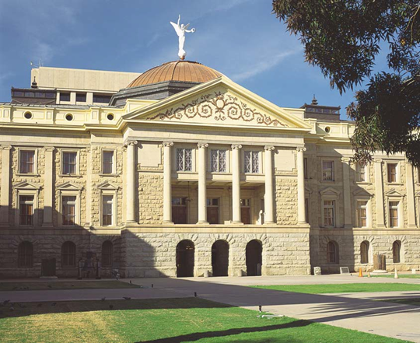

SPO Form 207 - Control Self-Assessment (CSA)
[Enter the State Governmental Unit's/Agency's Name or Acronym]
 |  | SGU/Agency Delegation Amount: | [Enter the amount]

The State Procurement Office (SPO) monitors compliance of state governmental units (stated as SGUs or agencies herein) with state procurement laws. This Control Self-Assessment (CSA) is designed to focus on a SGU's/agency's compliance with the State of Arizona Procurement Code (APC), applicable state and federal laws, executive orders, SPO Technical Bulletins (TB), SPO Standard Procedures (SP), agency delegation of authority agreements, and best practices per TB 003 - Procurement Compliance Reviews (PCR).
The objective of the CSA, through collaboration with the SPO Compliance Unit, is to help identify and resolve areas of non-compliance within the SGU's/agency's procurement office. SPO and SPO Compliance are resources to the SGU/agency to help maintain procurement compliance controls.
This CSA may also serve as reference material in granting delegations of authority or in performing a regular SPO PCR. SGU/Agency management and end-users may also use this checklist as a tool to meet the complex demands of the state procurement process or as a guide to implementing procurement controls.
This checklist covers key issues addressed in the SPO PCR including, but is not limited to the following criteria:
 | Section | Compliance Criteria |  |  | Delegation Amount
 | 1.0 | Procurement Organization |  | $10,000 | $100,000 | >$100,000, including Unlimited
 | 2.0 | Procurement Code Compliance
 | 3.0 | Agency Reporting Requirements
 | 4.0 | Procurement Internal Controls
 | 5.0 | Solicitations and Contracts
 |  | 5.1 Request For Quotations (RFQ)
 |  | 5.2 Invitation For Bids (IFB)
 |  | 5.3 Request for Proposals (RFP)
 | 6.0 | Limited Competition Procurements
 |  | 6.1 Sole Source (SS)
 |  | 6.2 Emergency Procurement (EP)
 |  | 6.3 Competition Impracticable (CI)

Instructions

1 | SGUs/Agencies shall complete the applicable sections of the CSA on an annual basis and have it available to submit to SPOCompliance@azdoa.gov if requested by the SPA.
 | 1.1 $10,000 Delegated Authority SGUs/Agencies complete sections 1.0 through 4.0.
 | 1.2 $100,000 Delegated Authority SGUs/Agencies complete sections 1.0 through 5.1.
 | 1.3 >$100,000 to Unlimited Delegated Authority SGUs/Agencies complete all sections.

2 | Sections 5.0 and 6.0 are worksheets to review individual contracts. • Randomly select a minimum of five (5) current contracts from within the past twelve (12) months. • For sole source, emergency, and competition impracticable contracts, select at least an additional five (5) files to review (review all files if less than 5 exist in total) from within the past twelve (12) months. • Use the appropriate worksheet to determine your compliance with Arizona procurement rules and regulations. If you are reviewing more than one sample for the same type of contract, please use the additional columns in the respective worksheet. Do not include in your file selection any solicitations that were exempt from the APC per any existing approved SGU/agency exemptions.

3 | Each question is designed to help you assess the current condition and business practices of your SGU's/agency’s procurement office. Please ensure that you answer each question accurately. Where circumstances permit, someone other than the Agency Chief Procurement Officer (ACPO) should complete and sign this CSA. The ACPO may provide guidance to this individual. If someone other than the ACPO is unable to complete this CSA (i.e. only ACPO in office), the ACPO should document this upon completing/signing the CSA.

4 | A “No” answer to a question may or may not require an action on your part. Please make a note of this on the “Corrective Action” section of the checklist if corrective action is required. Please correct any issue as soon as you can. Detail the specific action that you took to keep your SGU/agency compliant.

5 | An “N/A” answer may also require explanation. Please describe the circumstances regarding any “N/A” response. Keep this record to show to SPO Compliance that you took action(s) to fix any non-compliance issue.

6 | Review your SGU's/agency’s completed CSA regularly to recheck the issues identified and to ensure your SGU's/agency’s continued compliance. Establish a SMART action plan your SGU/agency will follow to remedy noted issues and prevent future occurrences. A SMART action plan should be Specific, Measurable, Attainable, Results-Oriented, and Time-Bound. This plan should be evident in your CSA corrective actions at the end of each section.

7 | A few of the compliance criteria contain multiple required items and must be completed in their entirety. In instances where items of a section are not required or applicable, it is the responsibility of the procurement officer to make a note of the file, so that all components are addressed for completeness.

8 | For assistance with this checklist, contact SPO Compliance at SPOCompliance@azdoa.gov.

